LITTLE Giants
2021 SOUTH AFRICAN LITTLE GIANTS CHAMPIONSHIP

 |  |  |  | Redstar |  | Zwartkops |  | Zwartkops |  | Zwartkops |  | Zwartkops |  | Dezzi |  | Redstar |  | Zwartkops |  | BONUS POINTS | TOTAL
 |  |  |  | 2021-03-05 |  | 2021-03-13 |  | 2021-04-17 |  | 2021-05-22 |  | 2021-06-19 |  | 2021-08-07 |  | 2021-09-11 |  | 2021-10-16
Pos | Name | CLASS | Car No. | R 1 | R 2 | R 1 | R 2 | R 1 | R 2 | R 1 | R 2 | R 1 | R 2 | R 1 | R 2 | R 1 | R 2 | R 3 | R 4
 | CLASS LGA |  |  |  |  |  |  |  |  |  |  |  |  |  |  |  |  |  |  |  |  | name | pos | race | class
 | Riaan Lubbe | LGA | 5 | 6 | DNF |  |  | 3 |  | 4 | 9 | 9 | 9 |  |  |  |  |  |  |  | 40 | Ishmael | 25 | R1 | LGA
 | Gary Stacey | LGA | 277 | 4 | DNS |  |  | 9 | 9 | DNF | 3 | 4 | 6 |  |  |  |  |  |  |  | 35
 | John Simpson | LGA | 12 |  |  |  |  | 4 | 3 | 9 | 4 | 3 | 4 |  |  |  |  |  |  |  | 27
 | Ben van der Westhuizen | LGA | 142 |  |  |  |  | 6 | 6 | 6 | 6 |  |  |  |  |  |  |  |  |  | 24
 | Kyle Brink | LGB | 111 |  |  |  |  | 2 | 2 | 3 | 2 | 2 | 3 |  |  |  |  |  |  |  | 14
 | John Ten Doeschate | LGA | 201 | 9 | 4.5 |  |  |  |  |  |  |  |  |  |  |  |  |  |  |  | 13.5 | Kyle | 26 | R1 | LGB
 | Terence Botes | LGA | 651 |  |  |  |  | 1 | 4 |  |  | 6 | 0 |  |  |  |  |  |  |  | 11 | Clive | 28 | R1 | LGC
 | Ishmael Baloyi | LGA | 15/38 | 3 | 3 |  |  |  |  | 2 | DNF | 1 | 1 |  |  |  |  |  |  |  | 10 | Gary | 24 | R1 | LGA
 | Jaco Taylor Jnr | LGA | 48 |  |  |  |  |  | 1 | 1 | DNF | 0 | 2 |  |  |  |  |  |  |  | 4 | John | 16 | R2 | LGA
 | CLASS LGB
 | John Ten Doeschate | LGB | 21 |  |  |  |  | 9 | 9 | 4.5 | 4.5 | 9 | 9 |  |  |  |  |  |  |  | 45
 | Andre de Kock | LGA | 30 |  |  |  |  | 6 | 6 | 3 | 3 | 3 | 4 |  |  |  |  |  |  |  | 25 | Riaan | DNF | R2 | LGA
 | Mark van Rooyen | LGB | 61 |  |  |  |  | 4 | 4 |  |  |  |  |  |  |  |  |  |  | 10 | 18
 | Brian Rowlings | LGB | 105 |  |  |  |  | 3 | 3 |  |  | 4 | 3 |  |  |  |  |  |  |  | 13
 | Ed Botes | LGB | 82 |  |  |  |  |  |  |  |  | 6 | 6 |  |  |  |  |  |  |  | 12
 | Kyle Brink | LGB | 111 | 4.5 | 4.5 |  |  |  |  |  |  |  |  |  |  |  |  |  |  |  | 9
 | Chris Williams/ Brian Fraser | LGB | 165 |  |  |  |  |  |  |  |  | 2 | 1 |  |  |  |  |  |  |  | 3
 | John Kruger | LGB | 315 |  |  |  |  |  |  |  |  | DNF | 2 |  |  |  |  |  |  |  | 2
 | Les McLeod | LGB | 144 | DNS | DNS |  |  |  |  |  |  |  |  |  |  |  |  |  |  |  | 0
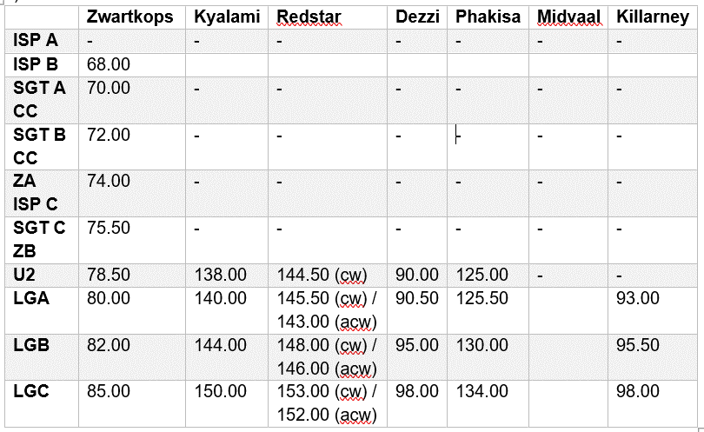
 | CLASS LGC
 | Chad Ten Doeschate | LGC | 513 |  |  |  |  | 4.5 | 4.5 | 9 | DNS | 9 | 4.5 |  |  |  |  |  |  |  | 31.5
 | Clive Winterstein | LGC | 912 | 4.5 | 4.5 |  |  | 3 | DNS | 6 | 4.5 |  |  |  |  |  |  |  |  |  | 22.5
 | Donovan Meyer | LGC | 60 |  |  |  |  |  |  | DNF | DNS |  |  |  |  |  |  |  |  |  | 0
 | Voncenzo Casilla | LGC | 45 |  |  |  |  | DNF | INV |  |  |  |  |  |  |  |  |  |  |  | 0
 | Jaco Taylor Snr | LGC | 95 |  |  |  |  |  |  |  |  | 6 |  |  |  |  |  |  |  |  | 6
 | Nicolas Christofides | LGC | 94 |  |  |  |  |  |  |  |  | DNF | 3 |  |  |  |  |  |  |  | 3

